Application Screen
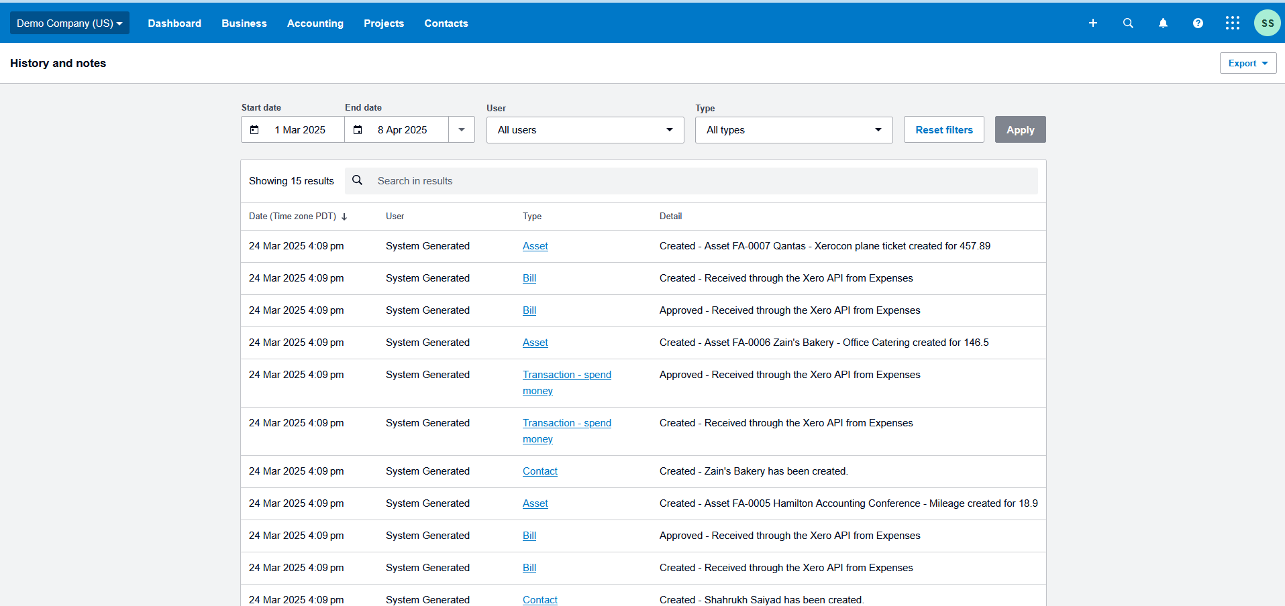

Test Case 5
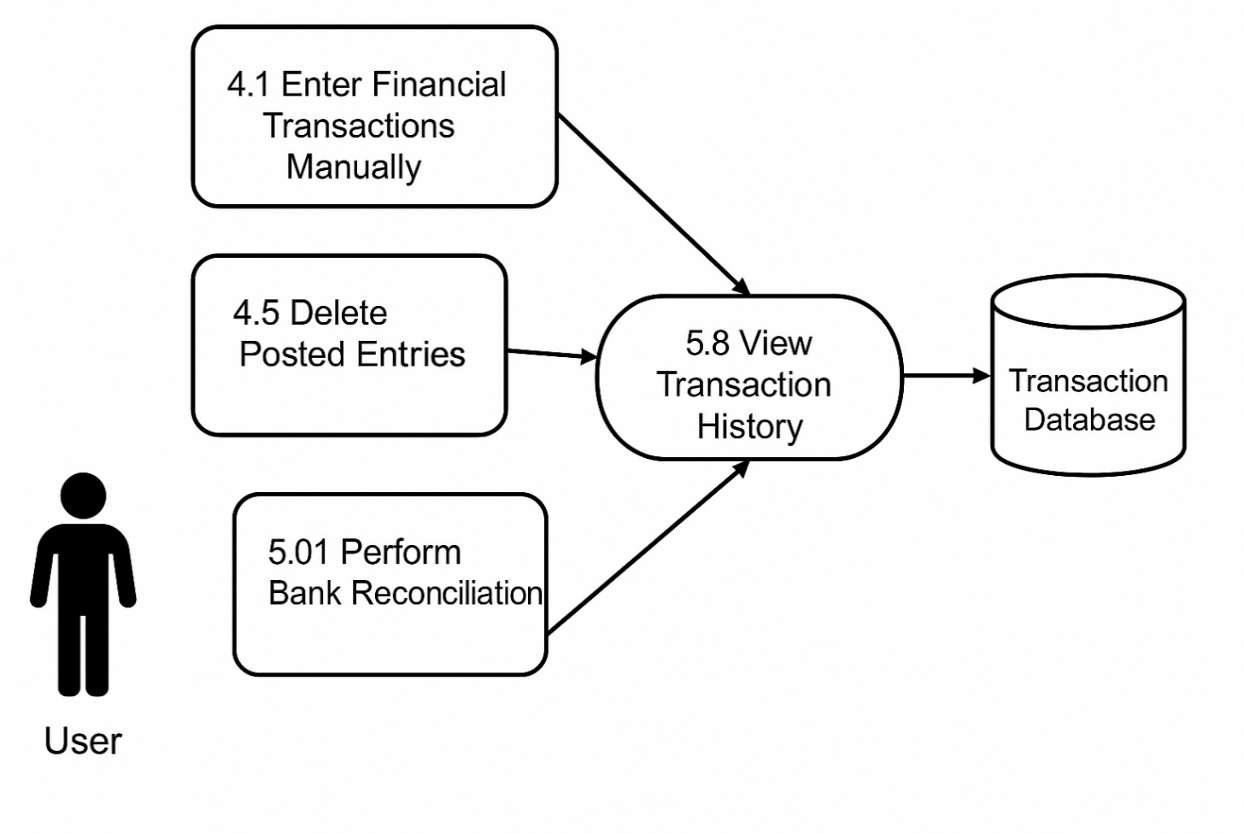
TC Title: | TC5. Verify transaction data accuracy- DF-In- Data Feed In

TC Objective: | To validate that a transaction manually created through 4.1 Enter Financial Transactions Manually appears accurately in 5.8 View Transaction History.

Test Data (optional): | N/A

TC Description:
 | Step | Step Description | Expected Result
 | 1 | Create a manual journal entry using 4.1 Enter Financial Transactions Manually. | Journal entry is saved successfully.
 | 2 | Navigate to 5.8 View Transaction History. | Transaction History page loads successfully.
 | 3 | Search or filter for today’s entries. | The created journal entry appears in the list.
 | 4 | Verify entry metadata: amount, description, and date. | Details match the manually entered transaction.

